Blad1
 | Input for PEA mathematical model |  |  |  |  |  |  |  |  |  |  |  |  |  |  |  |  |  |  |  |  |  | Metabolism of PEA (hypothetical model)
 |  |  |  |  |  |  |  |  |  |  |  |  |  |  |  |  |  |  |  |  |  |  | 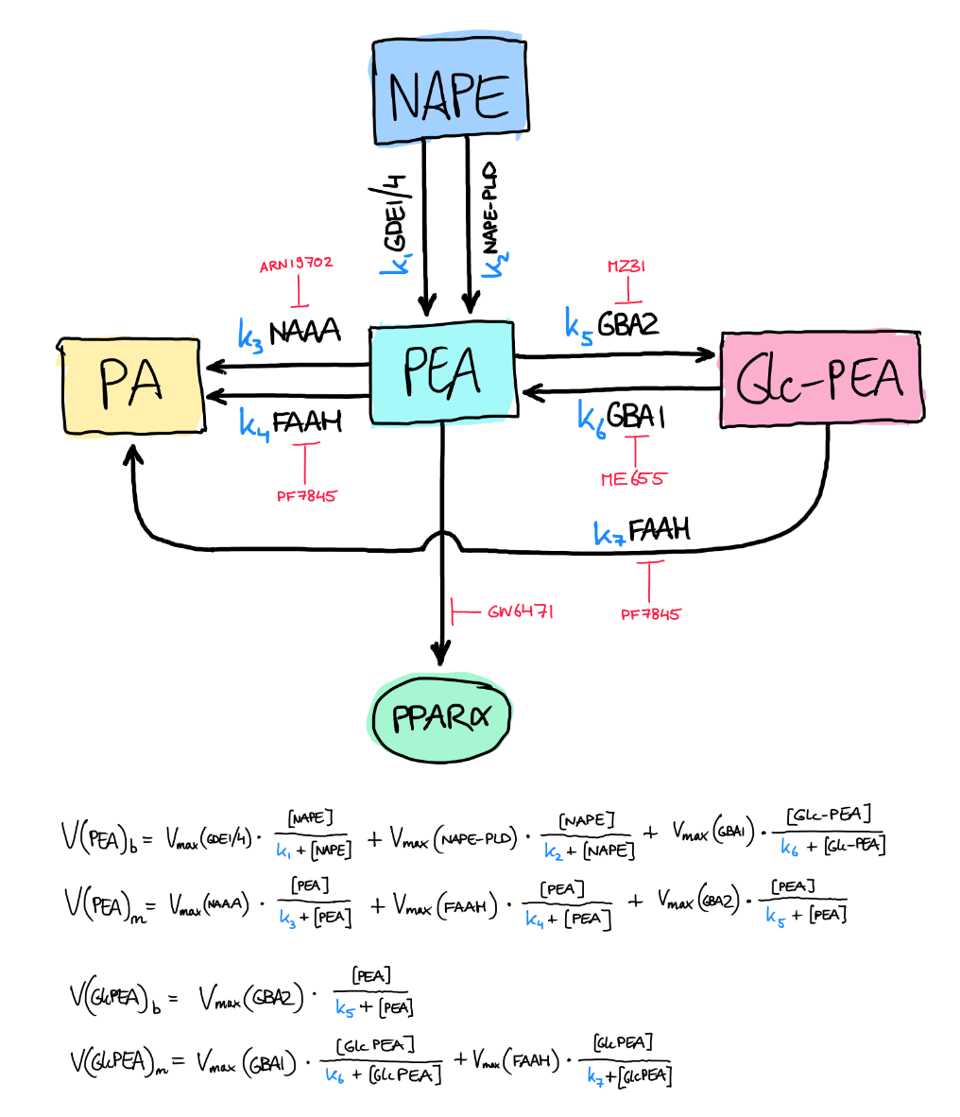
 | Km and Vmax values
 | Substrate | PEA |  |  |  |  |  |  |  |  | NAPE(C16:0) |  |  | GPI (glycerophosphoinositol) |  |  | Lyso-PC (phosphatidylcholine) |  |  | Glc-PEA
 | Enzyme | FAAH | Source | Ref* | NAAA | Source | Ref* | GBA2 | Source | Ref* | NAPE-PLD | Source | Ref* | GDE1 | Source | Ref* | GDE4 | Source | Ref* | GBA1 | Source | Ref*
 | Km | 5.0 | Rat | 1 | 97 | Human | 3 |  |  |  | 3.3 | Human | 4 | 12000 | Human | 6 | 1000 | Mouse | 8
 | (µM) | 1.5 | Chicken | 1 | 19.8 | Rat | 2 |  |  |  | 9.2 | Human | 7
 |  |  |  |  |  |  |  |  |  |  | 3.79 | Mouse | 5
 | Vmax | 2.6 | Rat | 1 | 12 | Human | 3 |  |  |  | 97.9 | Human | 4 | 3 | Human | 6 | missing | Mouse | 8
 | (nmol/mg/min) | 1.8 | Chicken | 1 | 10.3 | Rat | 2 |  |  |  | 155.8 | Human | 7 |  |  |  | but kcat = 0.032 s⁻¹
 |  |  |  |  |  |  |  |  |  |  | 49 | Mouse | 5
 | * References see below

 | Expression levels in RAW264.7 cells |  |  |  |  |  |  |  |  |  | Expression levels in Neuro2a cells
 |  | Absolute expression** |  |  |  |  |  |  |  |  |  | Absolute expression**
 |  | (in log2) |  |  |  |  |  |  |  |  |  | (in log2)
 | FAAH | 10.19 | medium |  |  |  |  |  |  |  | FAAH | 10.59 | medium |  |  |  | 1.0392541708
 | NAAA | 13.26 | high |  |  |  |  |  |  |  | NAAA | 12.06 | high |  |  |  | 0.90950226244
 | GBA2 | 9.84 | medium |  |  |  |  |  |  |  | GBA2 | 9.59 | medium |  |  |  | 0.97459349593
 | GBA1 | 14.88 | high |  |  |  |  |  |  |  | GBA1 | 13.03 | high |  |  |  | 0.87567204301
 | NAPE-PLD | 9.82 | medium |  |  |  |  |  |  |  | NAPE-PLD | 9.21 | medium |  |  |  | 0.93788187373
 | GDE4 | 10.89 | medium |  |  |  |  |  |  |  | GDE4 | 12.8 | high |  |  |  | 1.1753902663 |  |  | 1.2364721658
 | GDE1 | 13.47 | high |  |  |  |  |  |  |  | GDE1 | 14.17 | high |  |  |  | 1.0519673348
 | ABHD4 | 13.05 | high |  |  |  |  |  |  |  | ABHD4 | 12.39 | high |  |  |  | 0.94942528736

 | ** According to Genevestigator |  | (ref 11)
 | The expression values in GENEVESTIGATOR® are calculated using standard normalization methods for the different microarray platforms and scaled between experiments to make the expression values comparable, (see Chapter 7). The "absolute" expression values shown are called "absolute" because they represent expression values of a gene in a sample (or group of samples) as opposed to a ratio or relative value that compares the expression in treatment samples to the expression in control samples. However, the "absolute" expression values are not really absolute as it is practically impossible to determine an absolute quantity like the number of mRNA transcripts per cell. Most methods for quantifying expression therefore report the expression value compared to some "average" expression of all genes in the sample (or experiment). For comparability, the microarray expression values in GENEVESTIGATOR® are scaled such that the average (trimmed mean) is equal to 1000 (or ~9,97 in log2). This gives a rough indication of the strength of expression. Which expression values are "HIGH" or "LOW" is based on the calculation of percentiles.

 | References
1 | Fowler et al. (2000). Differences in the pharmacological properties of rat and chicken brain fatty acid amidohydrolase. British Journal of Pharmacology, 131(3), 498–504. doi: 10.1038/sj.bjp.0703569
2 | Scalvini et al. (2020). N-Acylethanolamine Acid Amidase (NAAA): Mechanism of Palmitoylethanolamide Hydrolysis Revealed by Mechanistic Simulations. ACS Catalysis, 10(20), 11797–11813. doi: 10.1021/acscatal.0c02903
3 | Tsuboi et al. (2005). Molecular characterization of N-acylethanolamine-hydrolyzing acid amidase, a novel member of the choloylglycine hydrolase family with structural and functional similarity to acid ceramidase. Journal of Biological Chemistry, 280(12), 11082–11092. doi: 10.1074/jbc.M413473200
4 | Okamoto et al. (2004). Molecular characterization of a phospholipase D generating anandamide and its congeners. The Journal of Biological Chemistry, 279(7), 5298–5305. doi: 10.1074/jbc.M306642200
5 | Guo et al. (2013). Isolevuglandin-modified phosphatidylethanolamine is metabolized by NAPE-hydrolyzing phospholipase D. Journal of Lipid Research, 54(11), 3151–3157. doi: 10.1194/jlr.M042556
6 | Zheng et al. (2003). GDE1/MIR16 is a glycerophosphoinositol phosphodiesterase regulated by stimulation of G protein-coupled receptors. Proceedings of the National Academy of Sciences of the United States of America, 100(4), 1745–1750. doi: 10.1073/pnas.0337605100
7 | Margheritis et al. (2016). Bile Acid Recognition by NAPE-PLD. ACS Chemical Biology, 11(10), 2908–2914. doi: 10.1021/acschembio.6b00624
8 | Ohshima et al. (2015). New members of the mammalian glycerophosphodiester phosphodiesterase family: GDE4 and GDE7 produce lysophosphatidic acid by lysophospholipase D activity. Journal of Biological Chemistry, 290(7), 4260–4271. doi: 10.1074/jbc.M114.614537
9 | Sun et al. (2005). Involvement of N-acylethanolamine-hydrolyzing acid amidase in the degradation of anandamide and other N-acylethanolamines in macrophages. Biochimica et Biophysica Acta - Molecular and Cell Biology of Lipids, 1736(3), 211–220. doi: 10.1016/j.bbalip.2005.08.010
10 | Zhu, C., Solorzano, C., Sahar, S., Realini, N., Fung, E., Sassone-Corsi, P., & Piomelli, D. (2011). Proinflammatory stimuli control N-acylphosphatidylethanolamine-specific phospholipase D expression in macrophages. Molecular Pharmacology, 79(4), 786–792. doi: 10.1124/mol.110.070201
11 | Hruz et al. (2008). Genevestigator V3: A Reference Expression Database for the Meta-Analysis of Transcriptomes. Advances in Bioinformatics, 420747. doi: 10.1155/2008/420747

